Navigation
SmartPLS report
Please cite the use of SmartPLS: Ringle, C. M., Wende, S., and Becker, J.-M. 2024. "SmartPLS 4." Bönningstedt: SmartPLS, https://www.smartpls.com.
 | complete

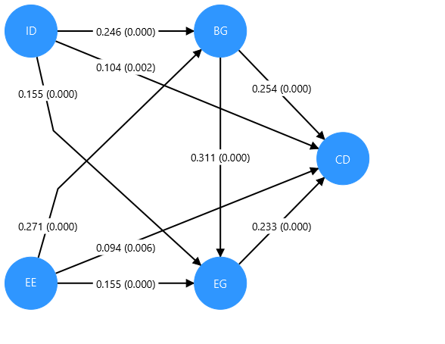
Final results
Path coefficients | show
Intercepts | show
Total indirect effects | show
Specific indirect effects | show
Total effects | show
Outer loadings | show
Outer weights | show
Conditional direct effects | show
Conditional indirect effects | show

Quality criteria
R-square | show
R-square adjusted | show
f-square | show
Average variance extracted (AVE) | show
Composite reliability (rho_c) | show
Composite reliability (rho_a) | show
Cronbach's alpha | show
Heterotrait-monotrait ratio (HTMT) | show
Latent variable correlations | show
Outer model collinearity statistics (VIF) | show
Inner model collinearity statistics (VIF) | show

Model fit
SRMR | show
d_ULS | show
d_G | show

Algorithm
Setting | show
Samples | show
Execution log | show

Histograms
Path coefficients histogram | show
Indirect effects histogram | show
Total effects histogram | show
Outer weights histogram | show

Model and data
Inner model | show
Outer model | show
Indicator data (original) | show
Indicator data (standardized) | show

complete Charts
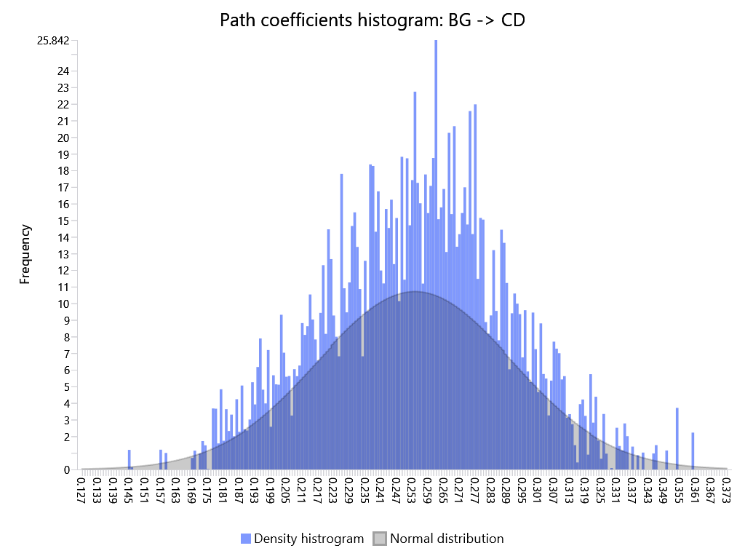
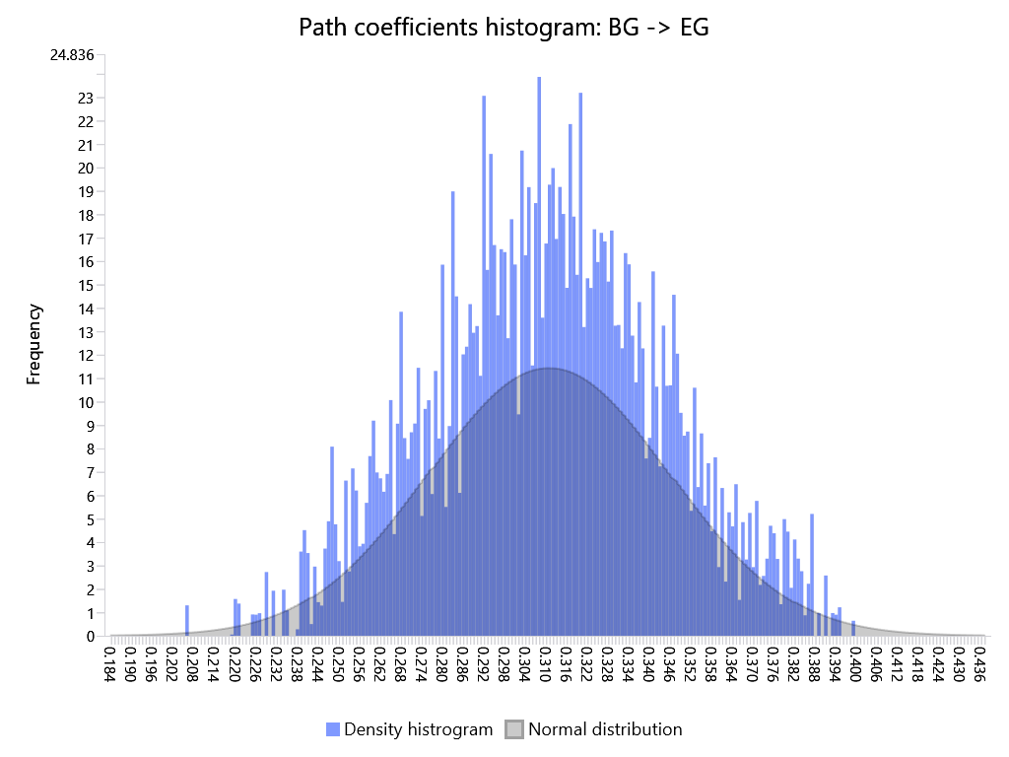
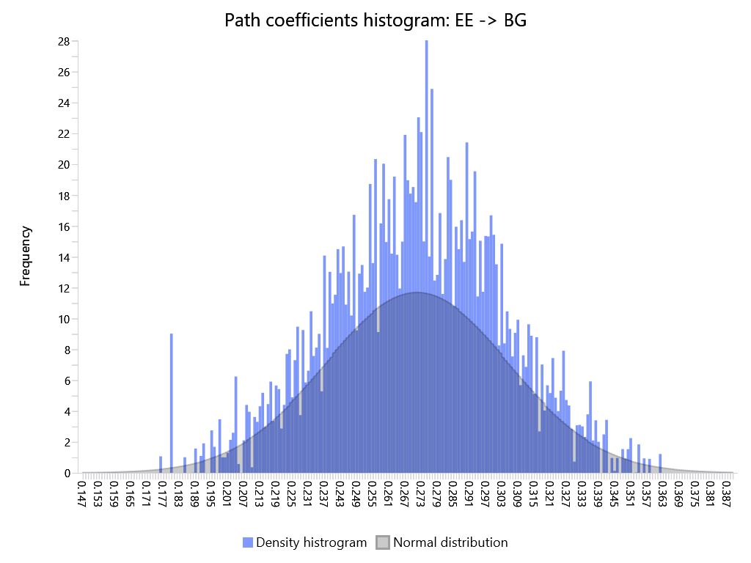
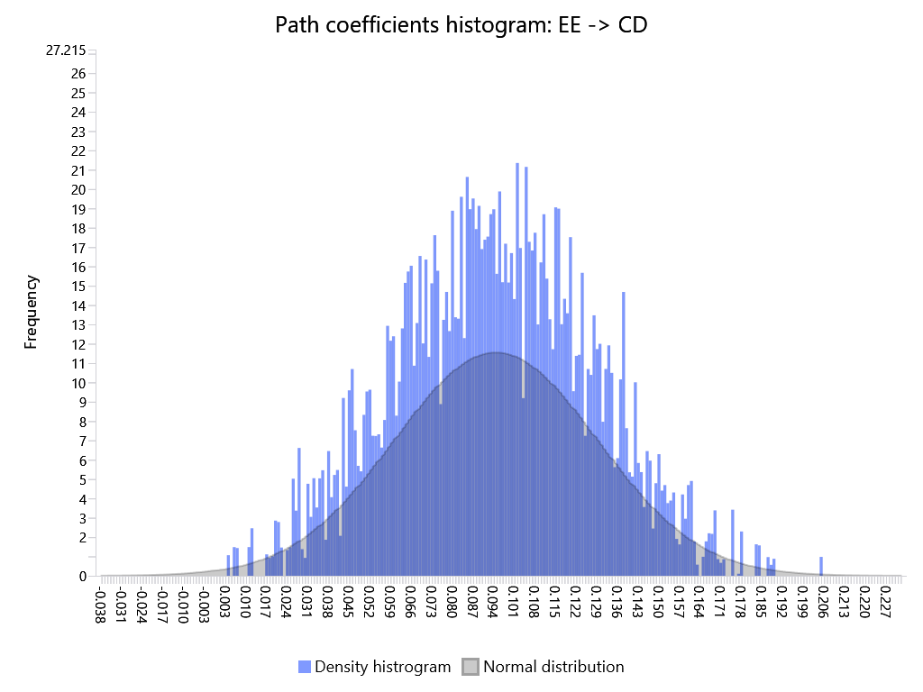
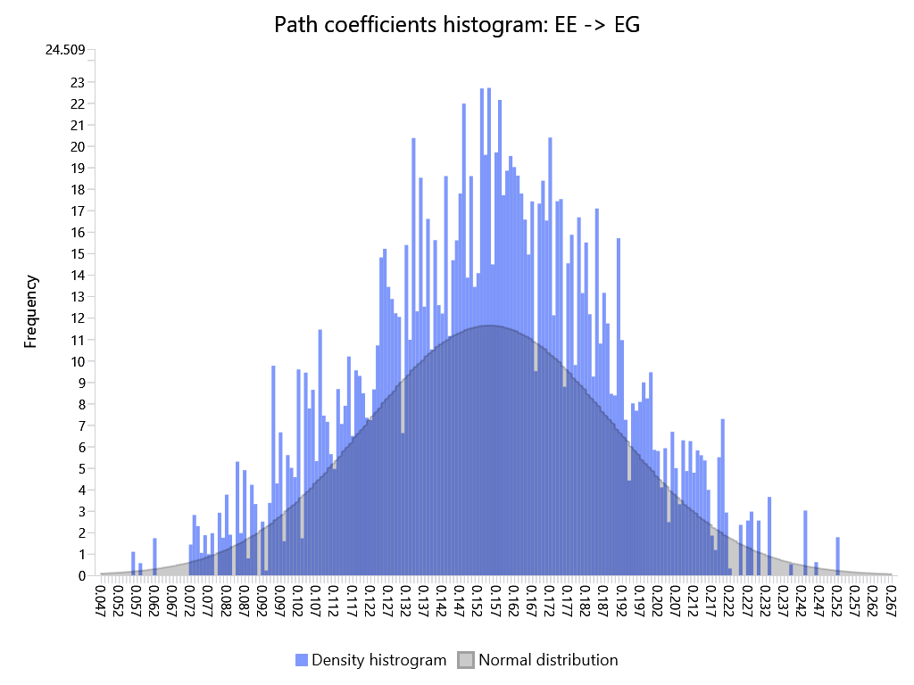
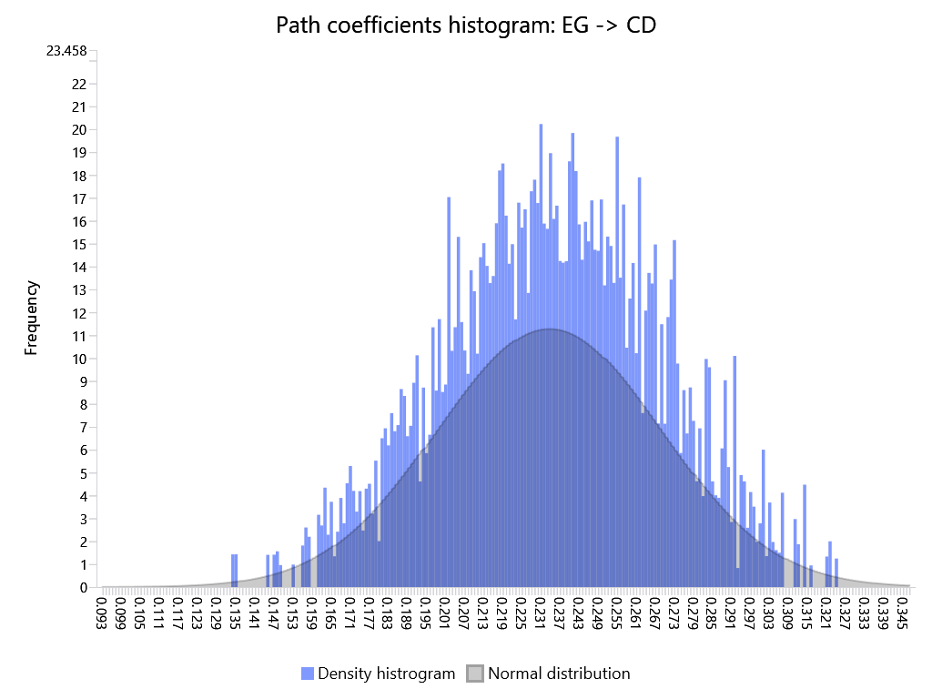
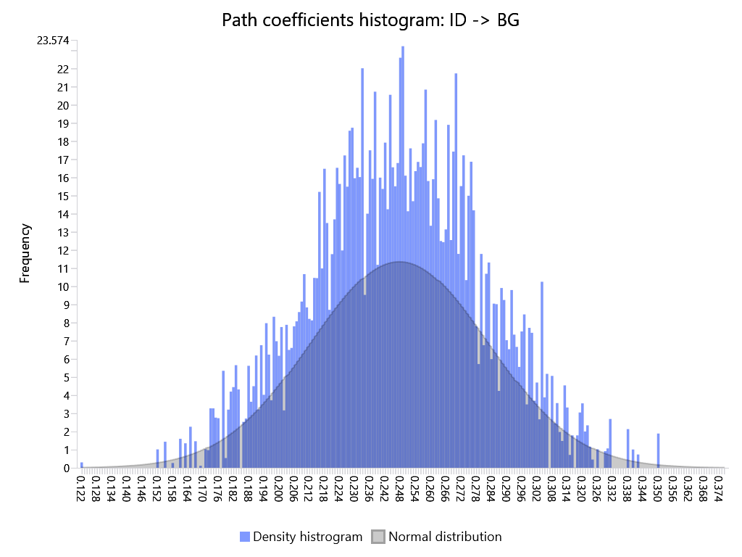
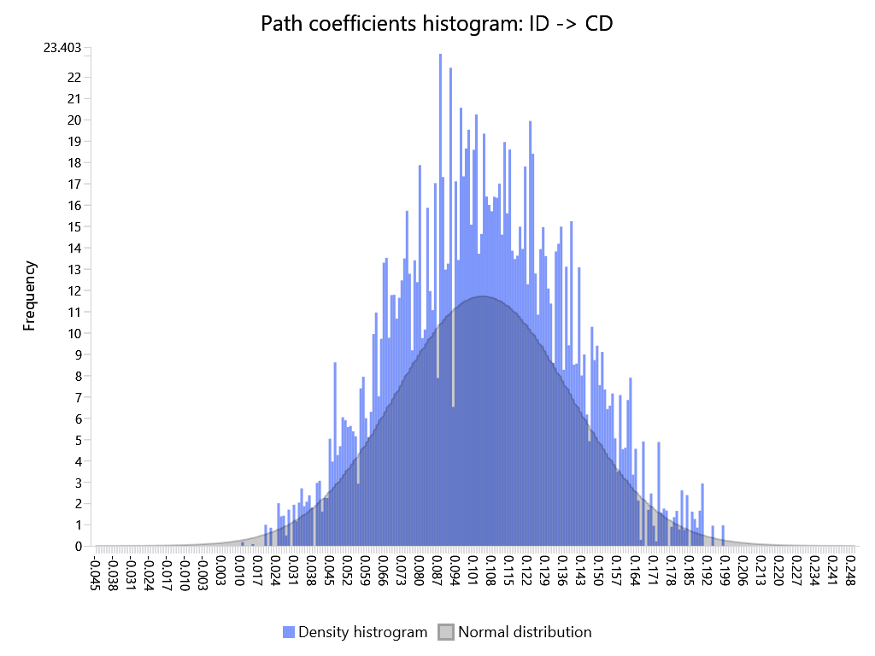
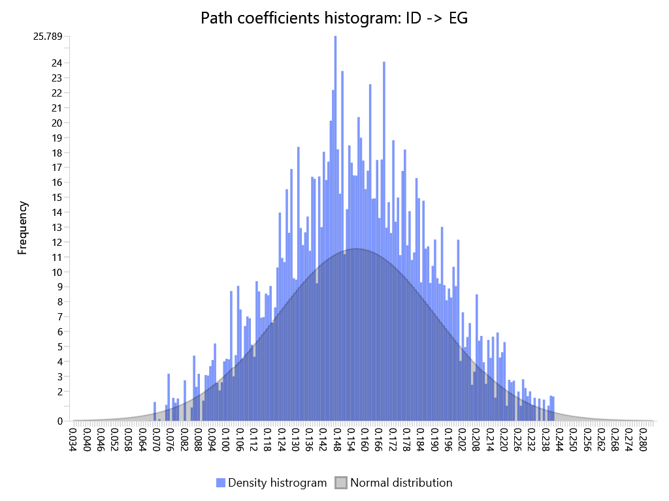
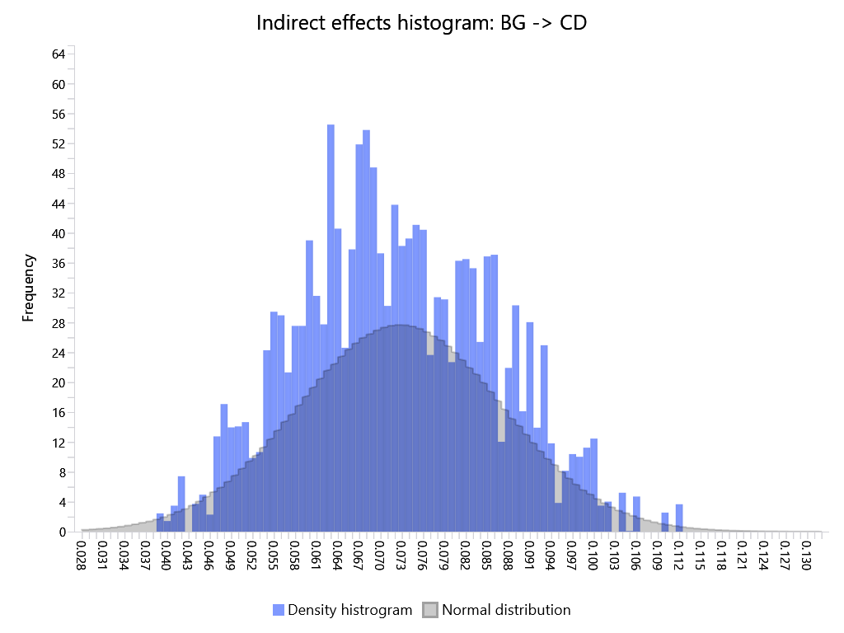
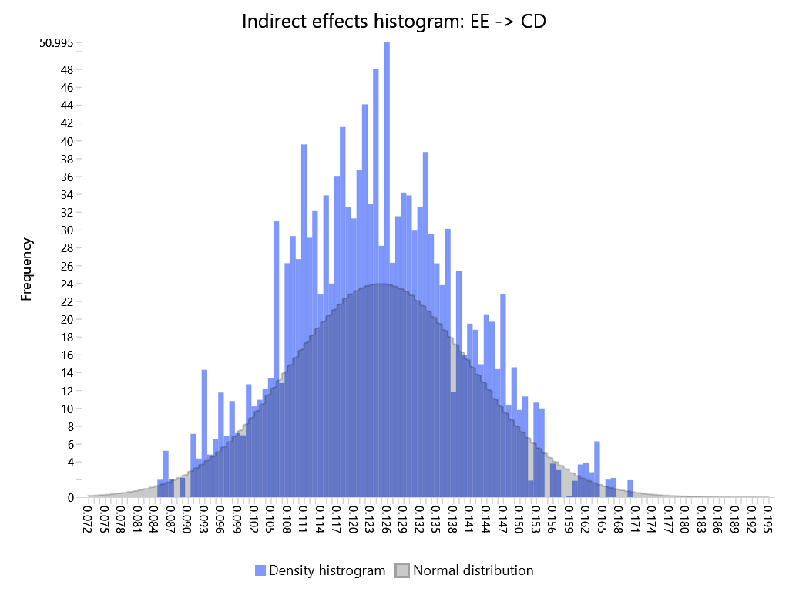
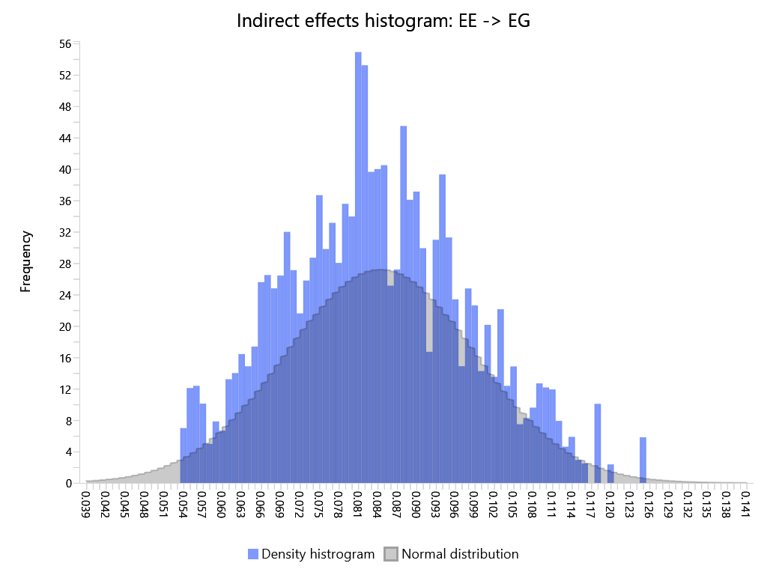
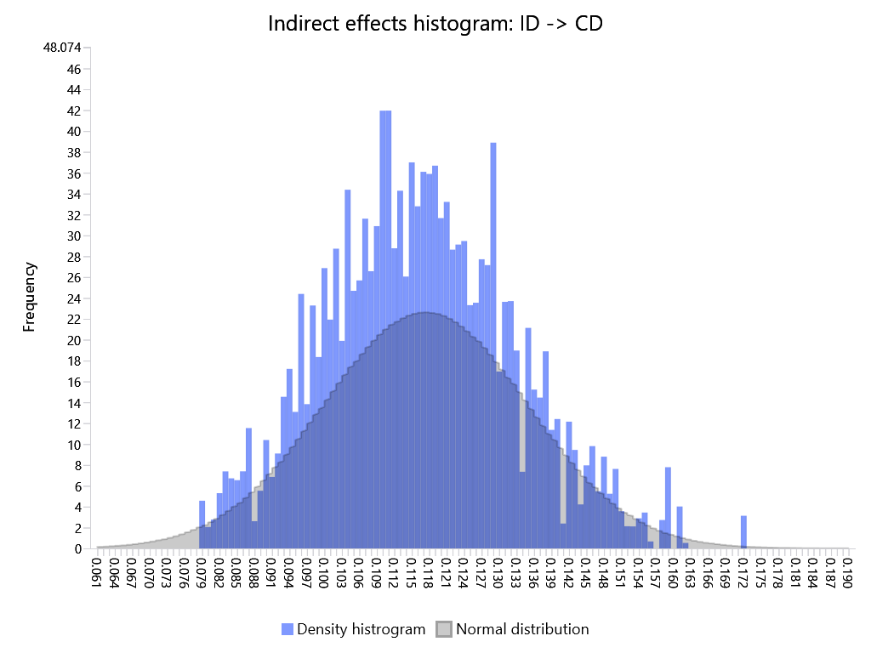
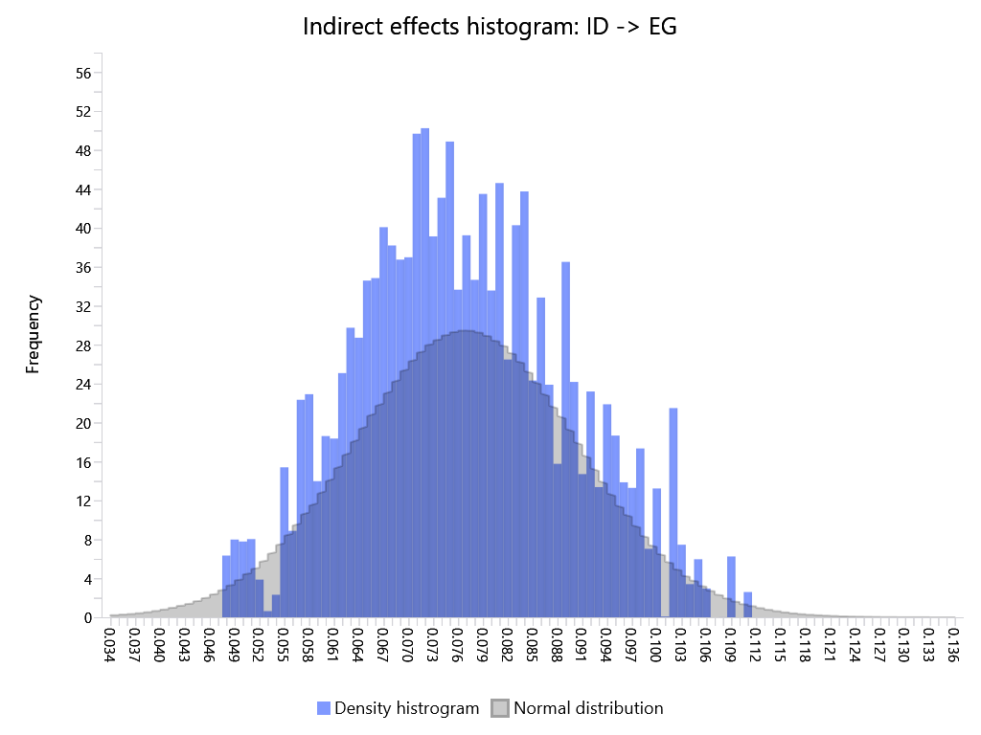



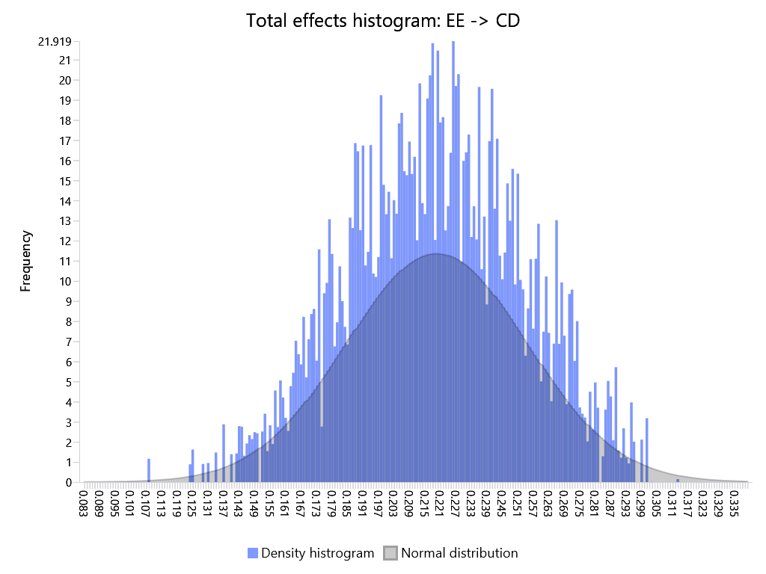





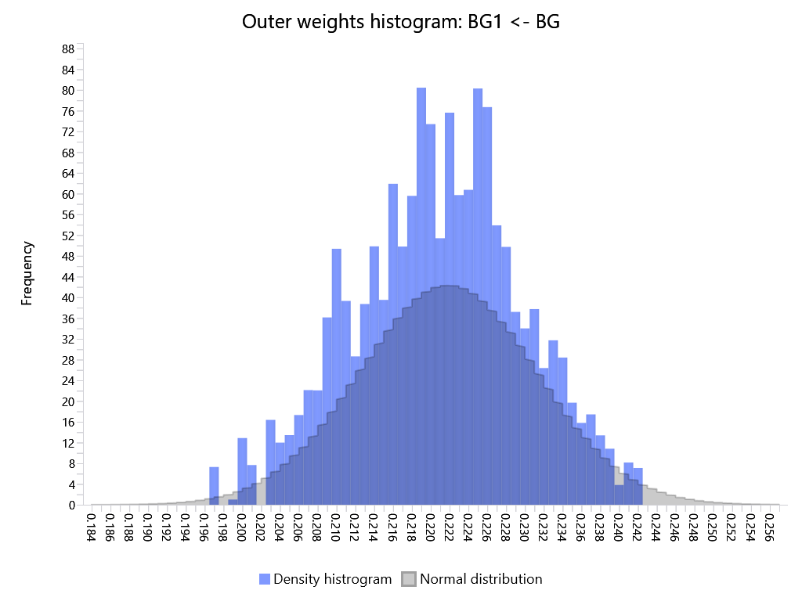
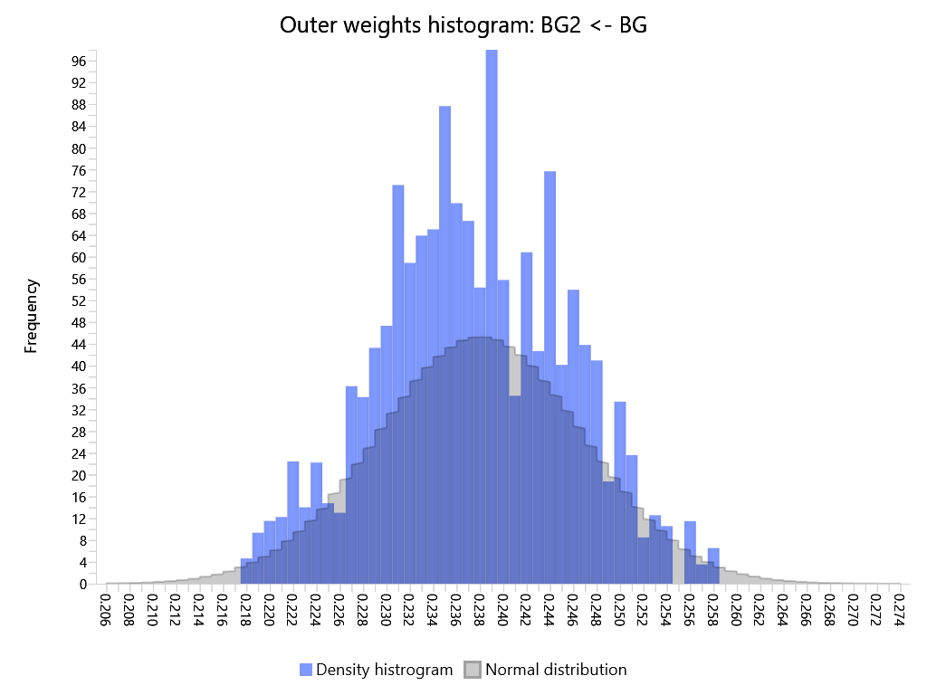
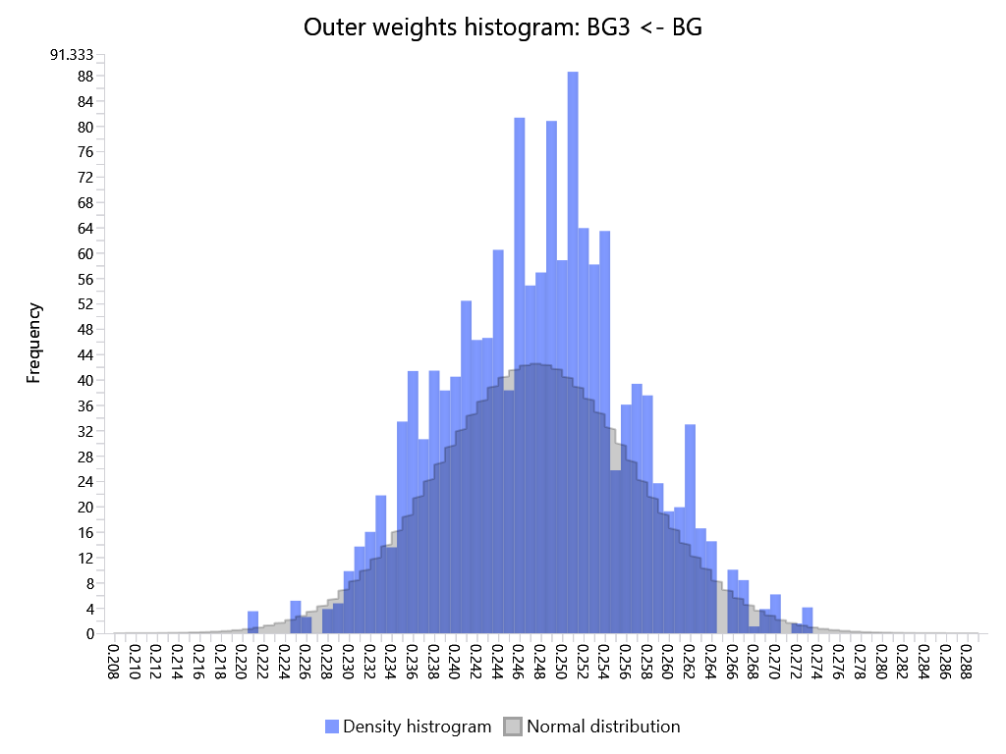
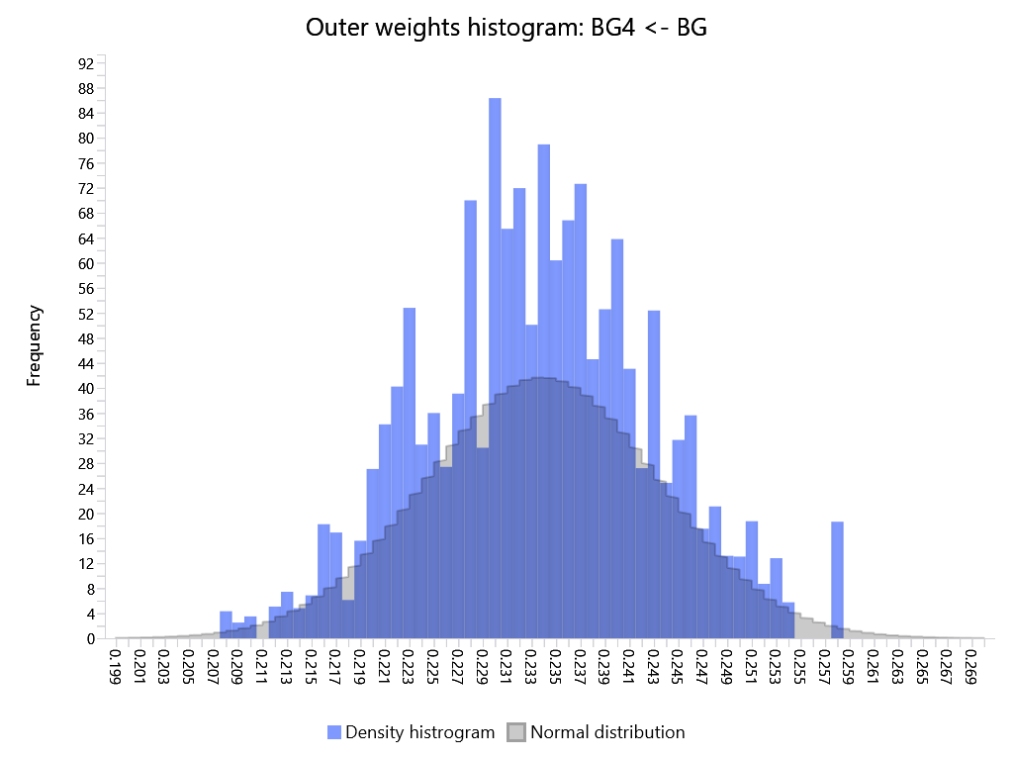
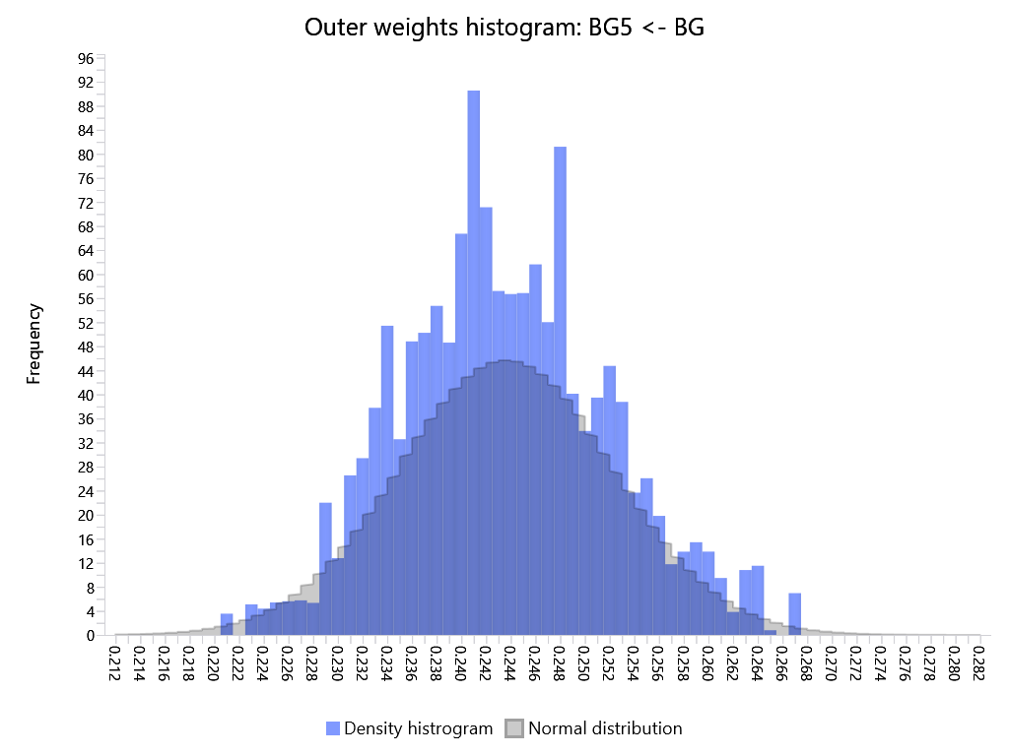
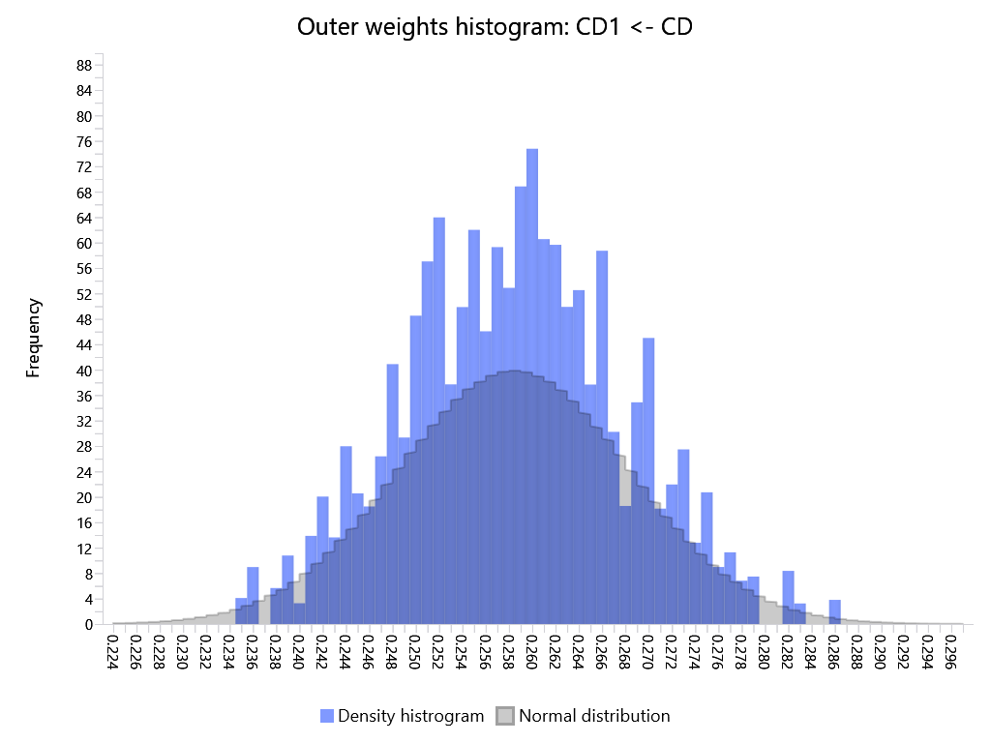
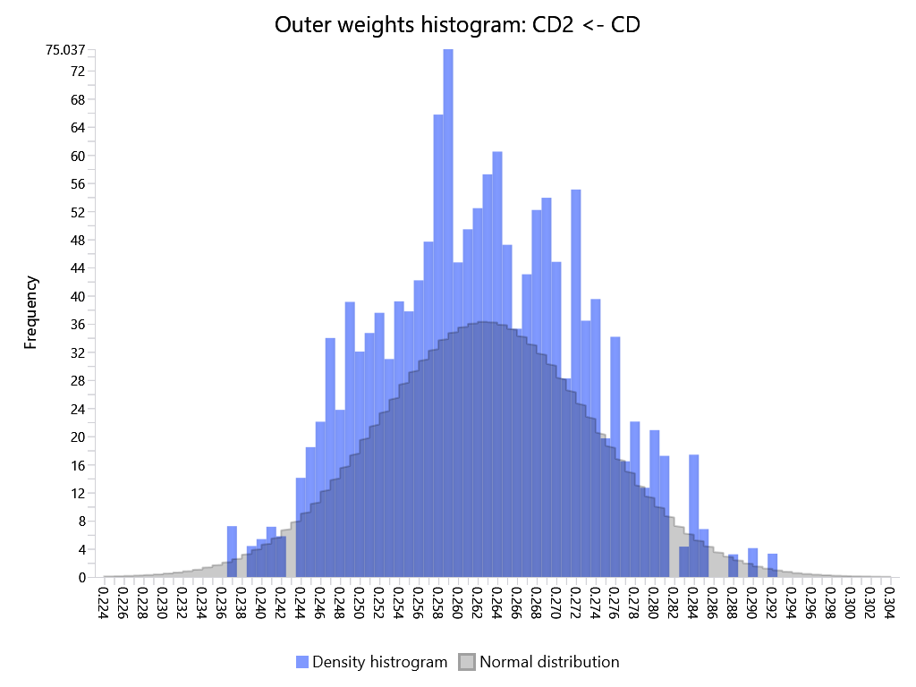
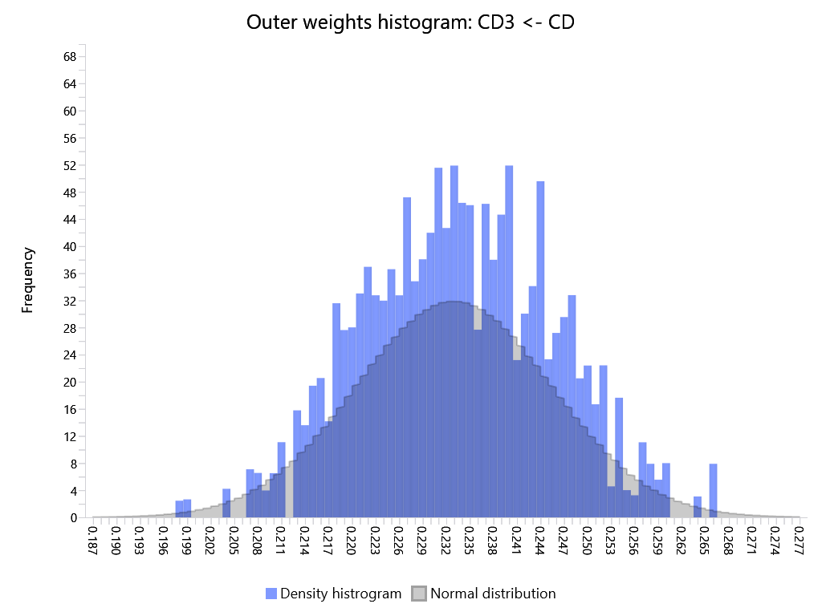
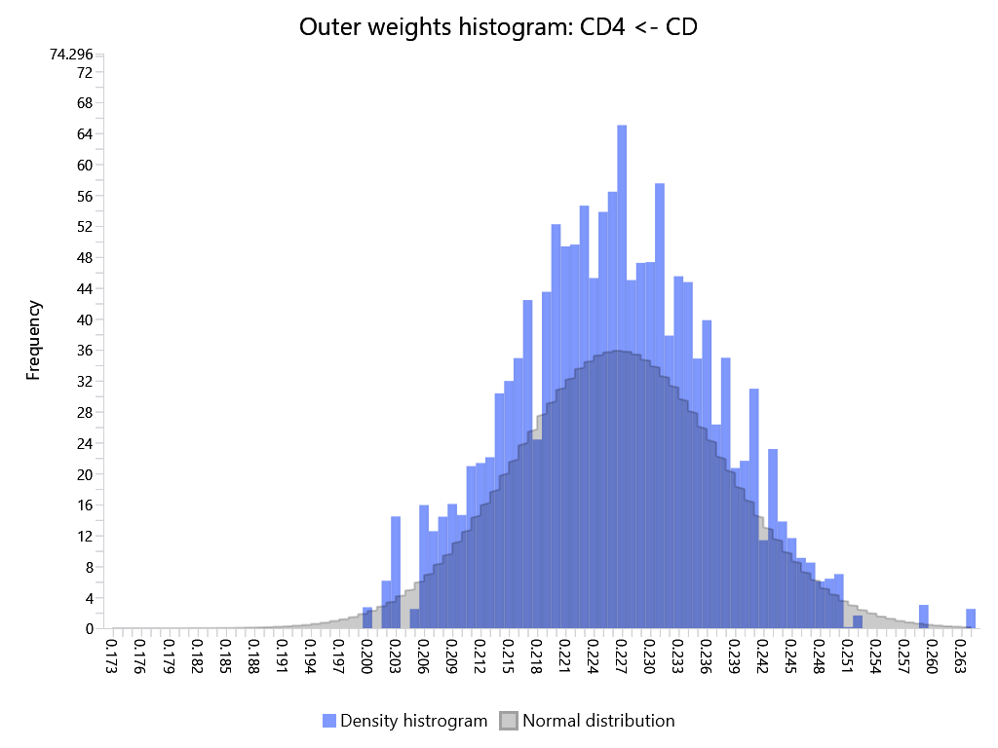
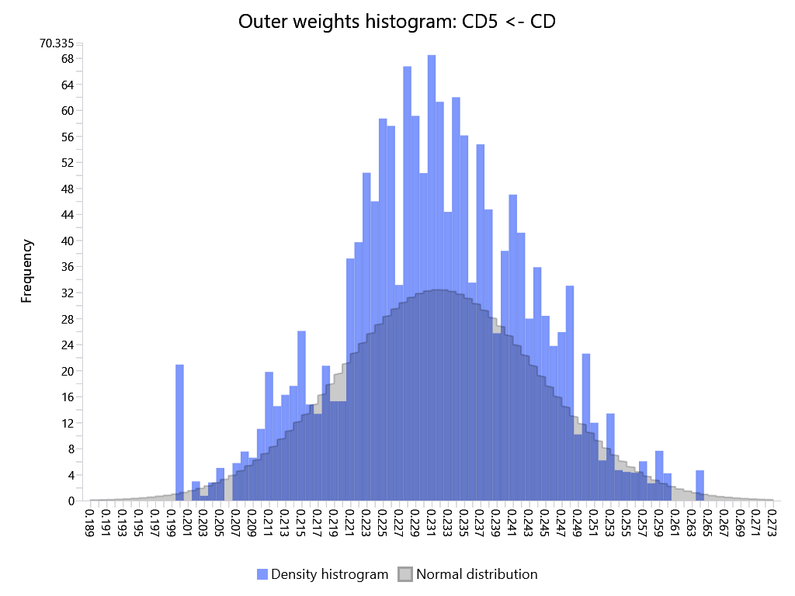

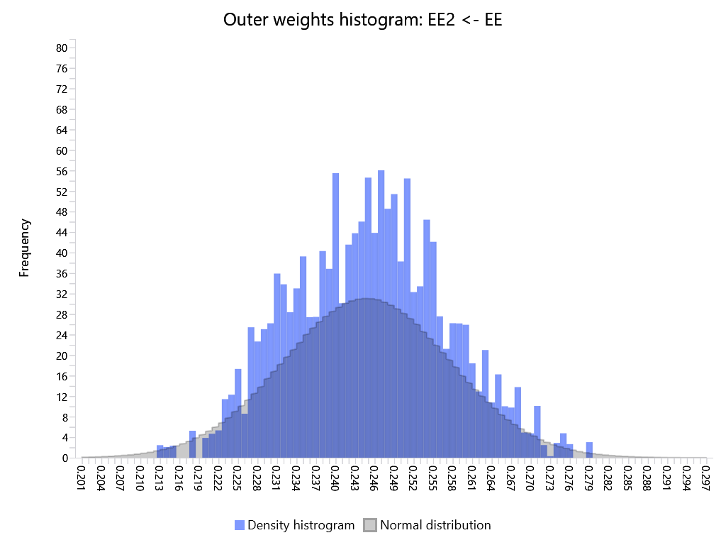
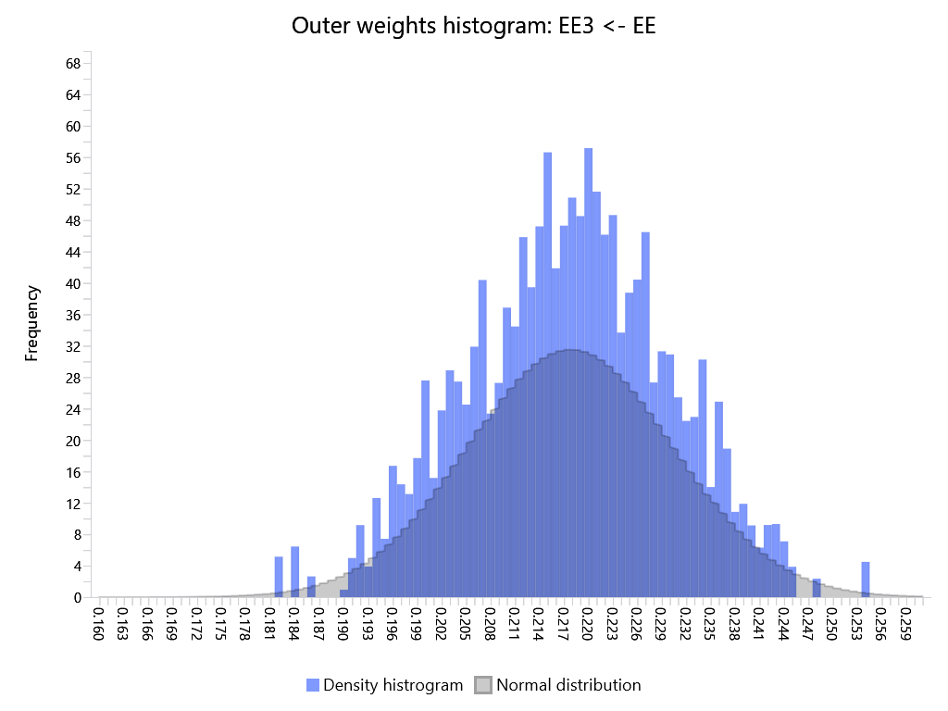
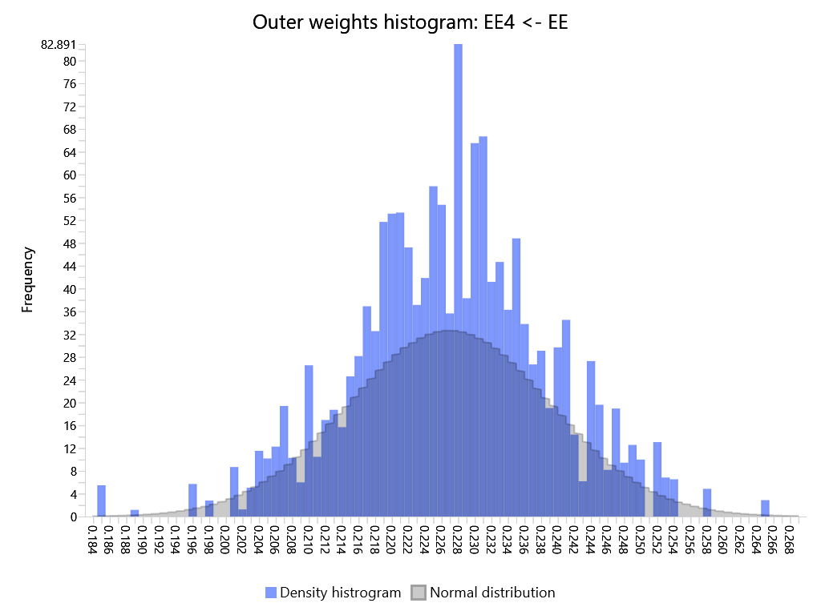
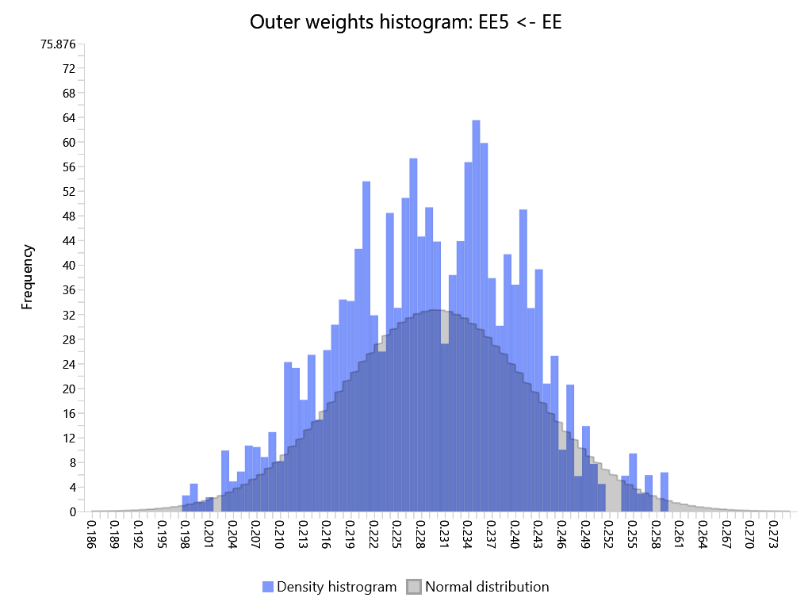
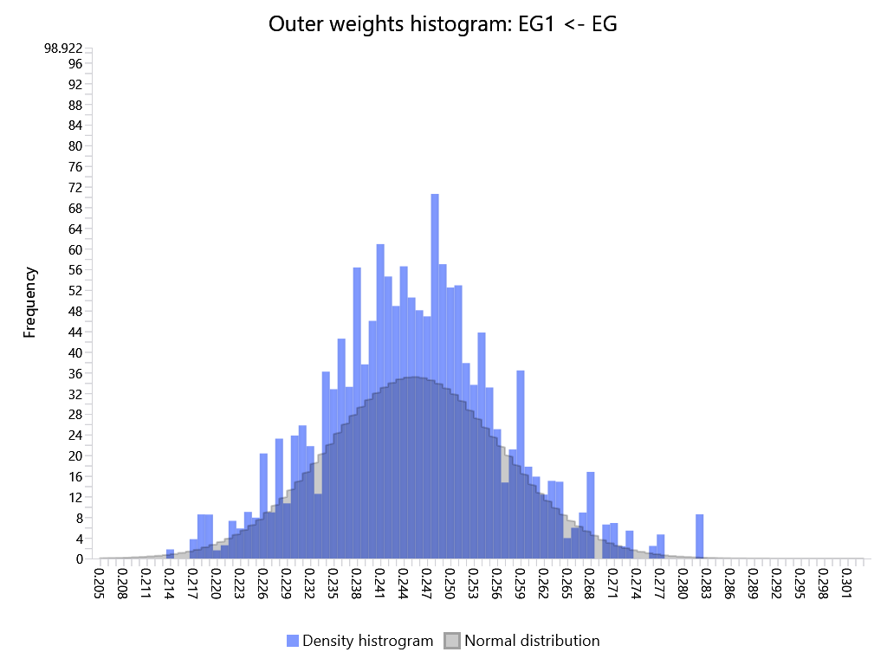
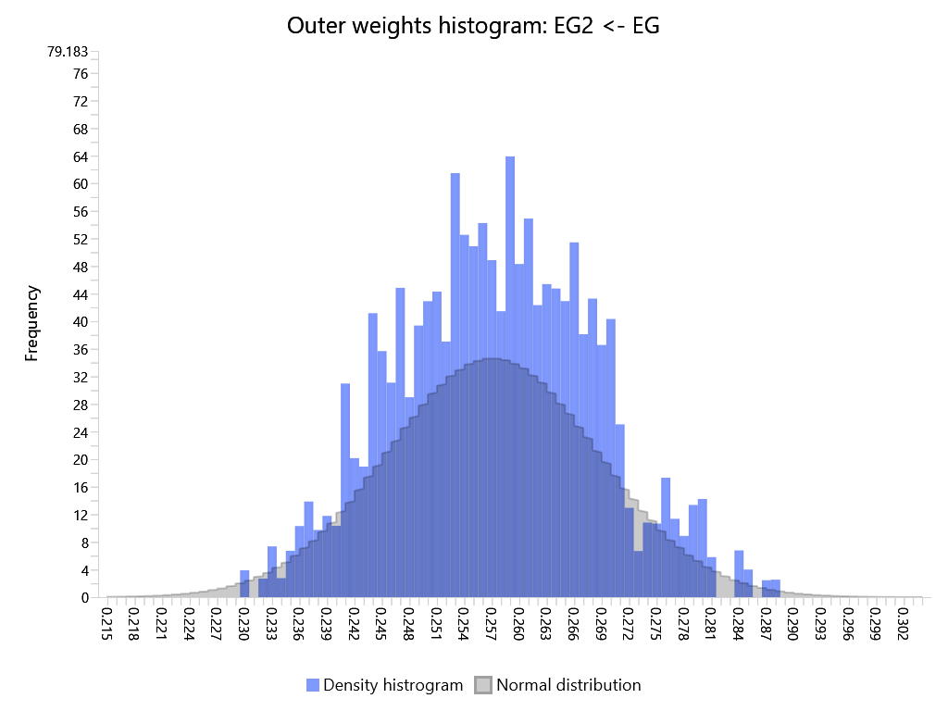
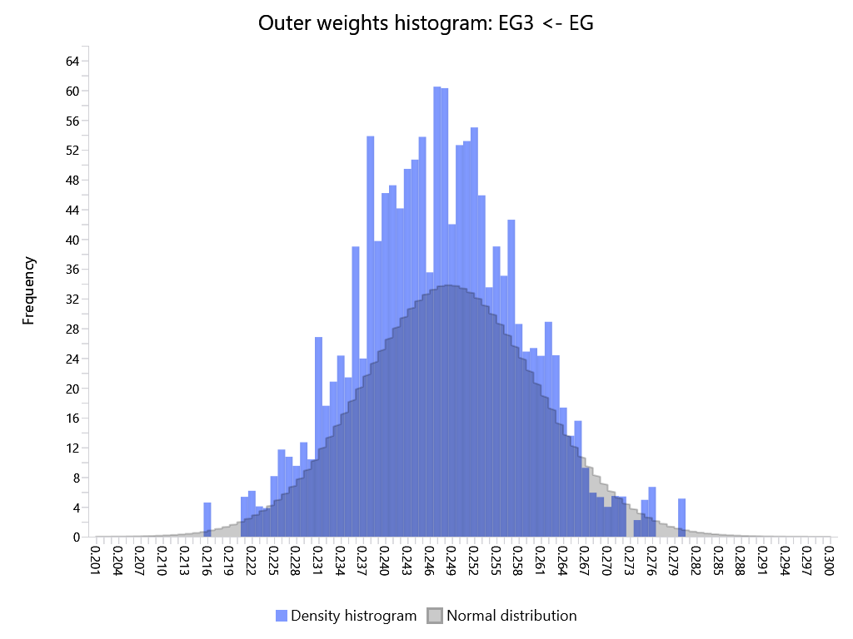
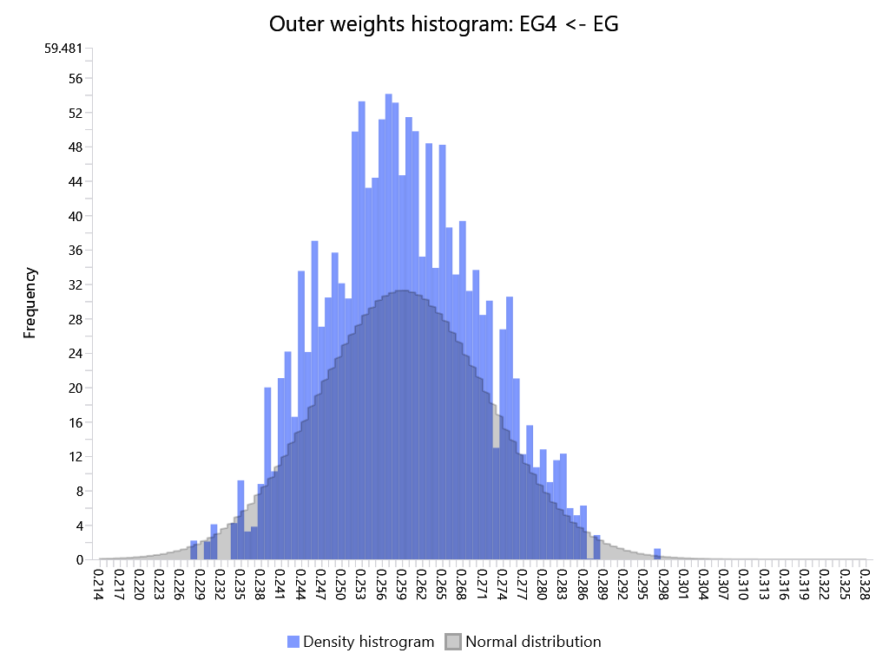
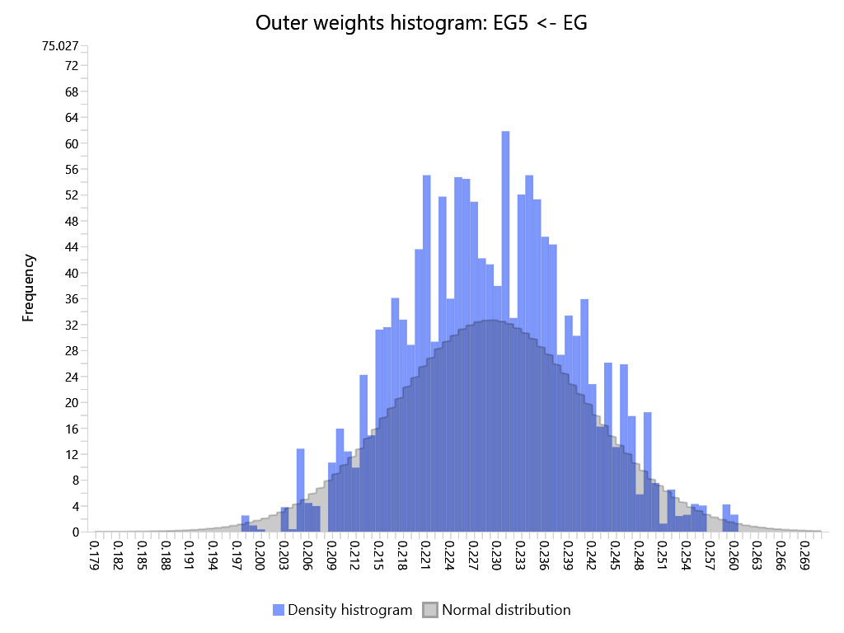
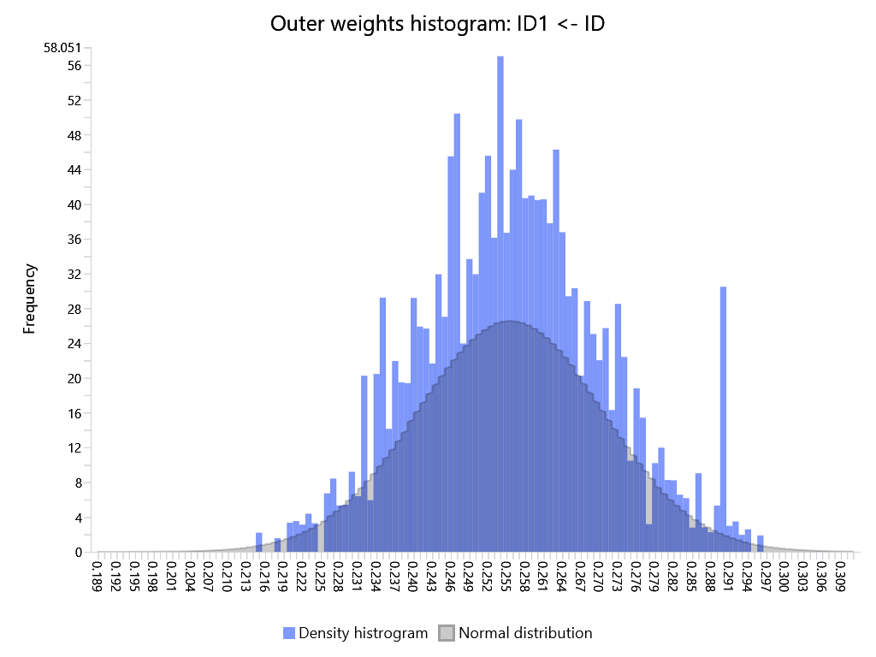
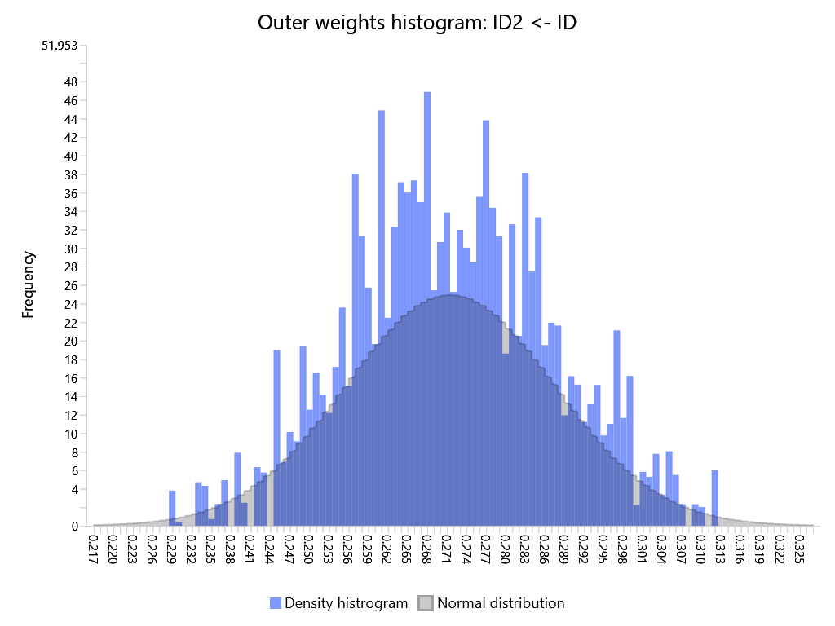
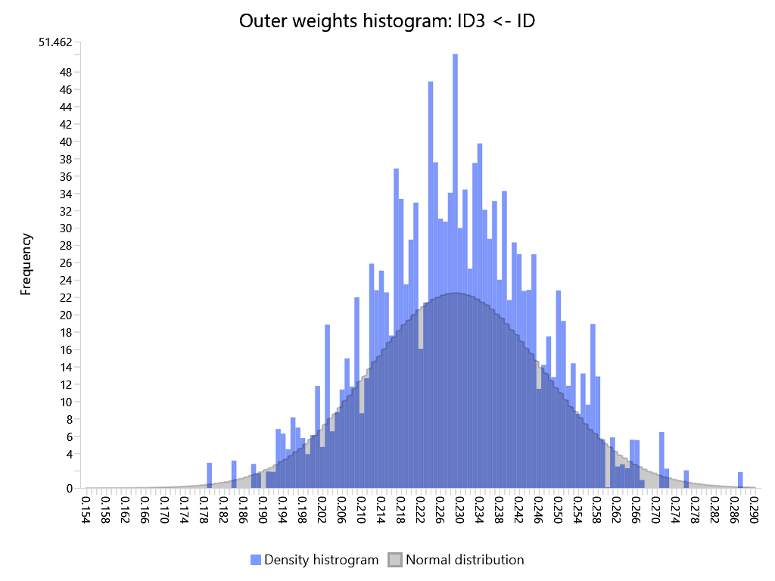
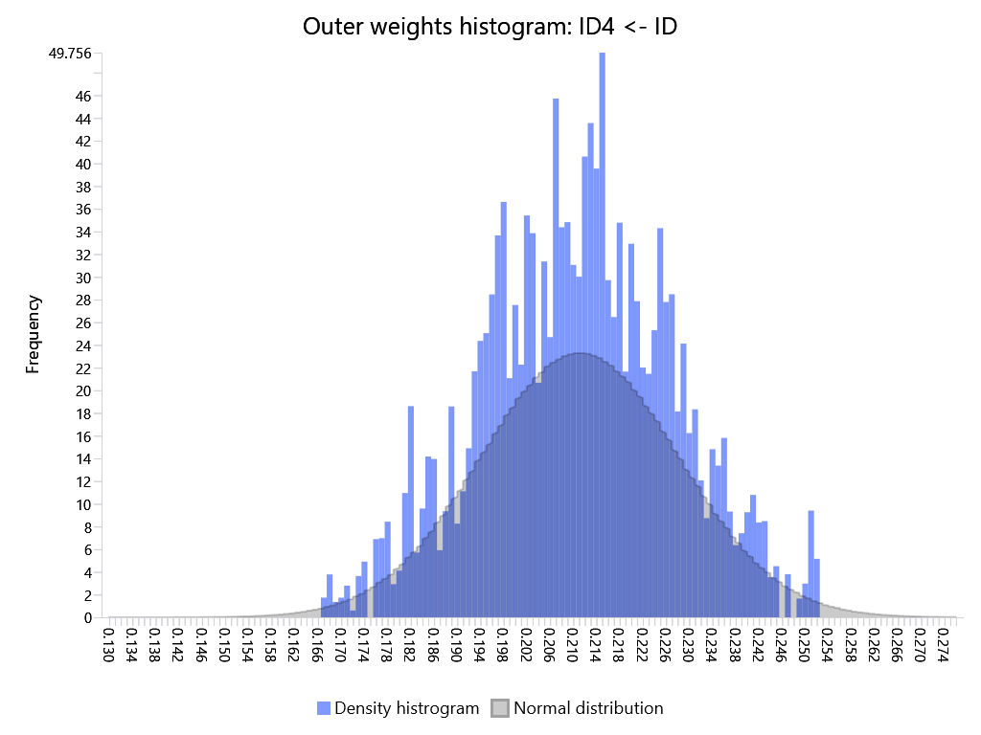
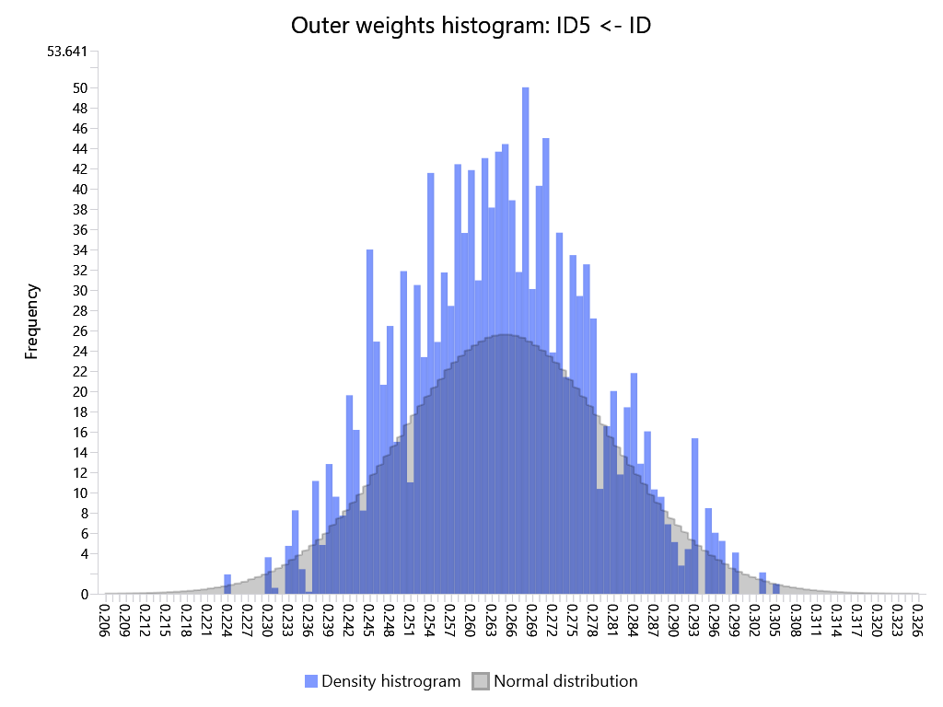
SmartPLS report
Please cite the use of SmartPLS: Ringle, C. M., Wende, S., and Becker, J.-M. 2024. "SmartPLS 4." Bönningstedt: SmartPLS, https://www.smartpls.com.

